Sheet1
Department | Gender | Age | Salary | Salary | Age
Service | Female | 45 | $48,000 | 3 | 3 |  | Salary | Level
Service | Male | 25 | $25,000 | 1 | 1 |  | <= 34,999 | 1
Service | Male | 33 | $35,000 | 2 | 2 |  | 35,000 to 44,999 | 2
Management | Male | 25 | $45,000 | 3 | 1 |  | 45,000 to 54,999 | 3
Management | Female | 35 | $65,000 | 4 | 2 |  | >= 55,000 | 4
Management | Male | 26 | $45,000 | 3 | 1
Management | Female | 45 | $70,000 | 4 | 3 |  | Age | Level
Sales | Female | 40 | $50,000 | 3 | 2 |  | <= 30 | 1
Sales | Male | 30 | $40,000 | 2 | 1 |  | 31 to 40 | 2
Staff | Female | 50 | $40,000 | 2 | 3 |  | >= 41 | 3
Staff | Male | 25 | $25,000 | 1 | 1

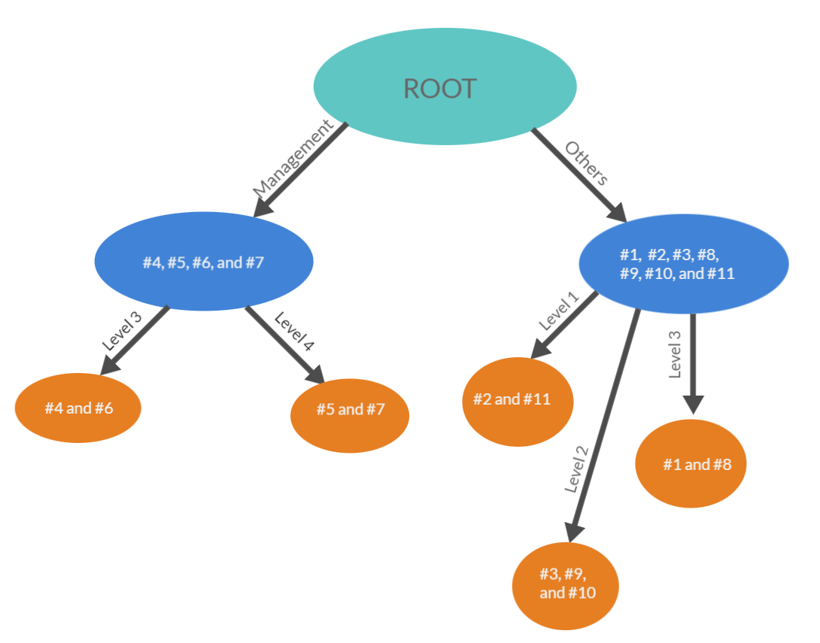
Categories | numL | numR | PL | PR | Level | L | R | P( j | tL ) | P( j | tR ) | 2 *PL*PR | Q( s | t ) | Φ( s | t)
Service | 3 | 8 | 0.27272727273 | 0.72727272727 | L1 | 1 | 1 | 0.33333333333 | 0.125 | 0.39669421488 | 0.58333333333 | 0.23140495868
 |  |  |  |  | L2 | 1 | 2 | 0.33333333333 | 0.25
 |  |  |  |  | L3 | 1 | 3 | 0.33333333333 | 0.375
 |  |  |  |  | L4 | 0 | 2 | 0 | 0.25
Management | 4 | 7 | 0.36363636364 | 0.63636363636 | L1 | 0 | 2 | 0 | 0.28571428571 | 0.46280991736 | 1.4285714286 | 0.66115702479
 |  |  |  |  | L2 | 0 | 3 | 0 | 0.42857142857
 |  |  |  |  | L3 | 2 | 2 | 0.5 | 0.28571428571
 |  |  |  |  | L4 | 2 | 0 | 0.5 | 0
Sales | 2 | 9 | 0.18181818182 | 0.81818181818 | L1 | 0 | 2 | 0 | 0.22222222222 | 0.29752066116 | 0.88888888889 | 0.26446280992
 |  |  |  |  | L2 | 1 | 2 | 0.5 | 0.22222222222
 |  |  |  |  | L3 | 1 | 3 | 0.5 | 0.33333333333
 |  |  |  |  | L4 | 0 | 2 | 0 | 0.22222222222
Staff | 2 | 9 | 0.18181818182 | 0.81818181818 | L1 | 1 | 1 | 0.5 | 0.11111111111 | 0.29752066116 | 1.3333333333 | 0.39669421488
 |  |  |  |  | L2 | 1 | 2 | 0.5 | 0.22222222222
 |  |  |  |  | L3 | 0 | 4 | 0 | 0.44444444444
 |  |  |  |  | L4 | 0 | 2 | 0 | 0.22222222222
Male | 6 | 5 | 0.54545454545 | 0.45454545455 | L1 | 2 | 0 | 0.33333333333 | 0 | 0.4958677686 | 0.93333333333 | 0.46280991736
 |  |  |  |  | L2 | 2 | 1 | 0.33333333333 | 0.2
 |  |  |  |  | L3 | 2 | 2 | 0.33333333333 | 0.4
 |  |  |  |  | L4 | 0 | 2 | 0 | 0.4
Age : 1 | 5 | 6 | 0.45454545455 | 0.54545454545 | L1 | 2 | 0 | 0.4 | 0 | 0.4958677686 | 0.93333333333 | 0.46280991736
 |  |  |  |  | L2 | 1 | 2 | 0.2 | 0.33333333333
 |  |  |  |  | L3 | 2 | 2 | 0.4 | 0.33333333333
 |  |  |  |  | L4 | 0 | 2 | 0 | 0.33333333333
Age : 2 | 3 | 8 | 0.27272727273 | 0.72727272727 | L1 | 0 | 2 | 0 | 0.25 | 0.39669421488 | 0.58333333333 | 0.23140495868
 |  |  |  |  | L2 | 1 | 2 | 0.33333333333 | 0.25
 |  |  |  |  | L3 | 1 | 3 | 0.33333333333 | 0.375
 |  |  |  |  | L4 | 1 | 1 | 0.33333333333 | 0.125
Age : 3 | 3 | 8 | 0.27272727273 | 0.72727272727 | L1 | 0 | 2 | 0 | 0.25 | 0.39669421488 | 0.58333333333 | 0.23140495868
 |  |  |  |  | L2 | 1 | 2 | 0.33333333333 | 0.25
 |  |  |  |  | L3 | 1 | 3 | 0.33333333333 | 0.375
 |  |  |  |  | L4 | 1 | 1 | 0.33333333333 | 0.125

Since Management has the highest Φ( s | t), i.e. 0.661, we can say that it the best node for splittng.

